POPULATION
PIVOT TABLE-1
AREA WISE POPULATION

Name | Sum of POPULATION_2010
102nd & Grant-Thornton | 3826
14th & Speer, Denver | 5823
16th & California- Denver | 7491
16th & Tremont | 5393
16th St. & Blake | 9382
16th Street & Curtis | 2218
17th and Lawrence | 11525
18th & California | 6401
18th & Champa | 3106
18th & Franklin - Denver, CO | 15486
1900 Sixteenth St. | 3934
2nd Ave and Filmore - Cherry Creek | 10191
3rd and Columbine-Cherry Creek | 12589
40th & Colorado-Denver | 2552
44th Ave & Federal Blvd-Denver | 17547
45th & Peoria-Denver | 8429
5835 Leetsdale | 3648
6th & Grant (Lattas) | 8590
6th & Lincoln | 13030
8th & Colorado | 3687
Alameda & Broadway- Denver | 8758
Alameda & Downing | 3001
Alameda and Federal | 4348
Atrium @ 1700 Broadway | 6119
Auraria Tivoli - Student Union | 8898
Breckenridge at Sloans | 8393
Chambers and 40th | 8190
Cherry Creek Mall - West. | 1448 | 30348
Colfax & Kalamath | 14370
Colfax & Krameria | 30348
Colfax & Milwaukee-Denver | 8532
Colorado & Arizona | 7822
DEN B RJ Term South Finger Lower | 3096
DEN B RJ Term South Finger Upper | 9375
Denver Marriott CC - Lobby | 6393
Embassy Suites Denver Downtown Conv | 4844
Franklin & Evans-Denver | 12844
Grand Hyatt Denver | 705
Hampden & Dayton - Denver | 7238
Hampden & Happy Canyon | 5327
Hampden & Locust, Denver | 10235
Hampden & Santa Fe, Sheridan | 4172
Highlands Garden Village | 5376
I-70 & I-270- Stapleton | 10954
King Soopers - Denver #1 | 8067
King Soopers - Denver #72 | 2907
King Soopers Store #115 Denver | 12712
King Soopers-Denver #124 | 3133
King Soopers-Denver #19 | 4464
King Soopers-Denver #29 | 8889
King Soopers-Denver #93 | 1165
King Soopers-Denver, CO #26 | 4831
Larimer Square | 12452
Lowry Town Center - Denver | 5589
Monaco & Evans | 13948
Park Ave & Globeville- Denver | 4651
REI Denver | 4336
Safeway - Denver #1248 | 6111
Safeway - Denver #1463 | 4879
Safeway - Denver #2246 | 3941
Here we have provide store name with the population associated with it.And considering the data of
starbucks,we can cosider to open a store in :-Colfax & Krameria,44th Ave & Federal Blvd-Denver,University & Asbury.
Safeway - Denver #3836 | 5456
Safeway - Denver #885 | 9820
Safeway-Denver #100 | 2553
Safeway-Denver #1038 | 3892
Safeway-Denver #1267 | 8112
Safeway-Denver #1614 | 11132
Safeway-Denver #244 | 1577
Safeway-Denver #2714 | 6905
Santa Fe & Mississippi | 7971
Speer & Federal - Denver | 5808
Stapleton TC-29th & Quebec | 8540
SuperTarget Denver/Stapltn ST-2052 | 9726
Target Denver T-2820 | 14708
The Curtis Hotel Lobby | 9740
UMB Bank Plaza | 3874
University & Asbury | 29201
University Hills | 6936
Writer Square | 6498
Grand Total | 600158

Sheet1
COFFEE SHOP

AREA WISE POPULATION
 | Total
102nd & Grant-Thornton | 3826
14th & Speer, Denver | 5823
16th & California- Denver | 7491
16th & Tremont | 5393
16th St. & Blake | 9382
16th Street & Curtis | 2218
17th and Lawrence | 11525
18th & California | 6401
18th & Champa | 3106
18th & Franklin - Denver, CO | 15486
1900 Sixteenth St. | 3934
2nd Ave and Filmore - Cherry Creek | 10191
3rd and Columbine-Cherry Creek | 12589
40th & Colorado-Denver | 2552
44th Ave & Federal Blvd-Denver | 17547
45th & Peoria-Denver | 8429
5835 Leetsdale | 3648
6th & Grant (Lattas) | 8590
6th & Lincoln | 13030
8th & Colorado | 3687
Alameda & Broadway- Denver | 8758
Alameda & Downing | 3001
Alameda and Federal | 4348
Atrium @ 1700 Broadway | 6119
Auraria Tivoli - Student Union | 8898
Breckenridge at Sloans | 8393
Chambers and 40th | 8190
Cherry Creek Mall - West. | 1448
Colfax & Kalamath | 14370
Colfax & Krameria | 30348
Colfax & Milwaukee-Denver | 8532
Colorado & Arizona | 7822
DEN B RJ Term South Finger Lower | 3096
DEN B RJ Term South Finger Upper | 9375
Denver Marriott CC - Lobby | 6393
Embassy Suites Denver Downtown Conv | 4844
Franklin & Evans-Denver | 12844
Grand Hyatt Denver | 705
Hampden & Dayton - Denver | 7238
Hampden & Happy Canyon | 5327
Hampden & Locust, Denver | 10235
Hampden & Santa Fe, Sheridan | 4172
Highlands Garden Village | 5376
I-70 & I-270- Stapleton | 10954
King Soopers - Denver #1 | 8067
King Soopers - Denver #72 | 2907
King Soopers Store #115 Denver | 12712
King Soopers-Denver #124 | 3133
King Soopers-Denver #19 | 4464
King Soopers-Denver #29 | 8889
...
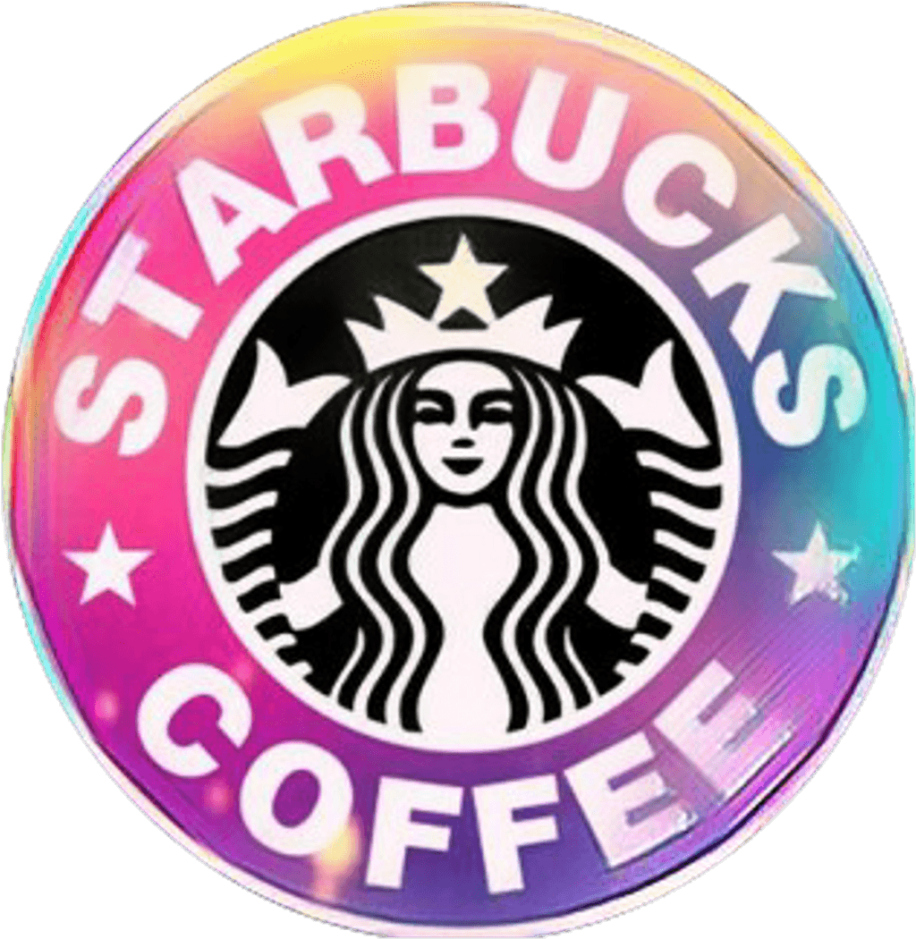

FAMILY POPULATION
 | Total
10005 Grant St, Unit FN/AN/A802292033 | 796
1050 W Colfax AveN/APlaza Zocalo802042072 | 3481
1125 17th StreetN/AN/A80202 | 2772
1155 E. 9th Ave.N/ACapitol Hill Center802184802 | 2285
1209 East Alameda AveN/AN/A802092420 | 822
1233 S. Colorado BlvdN/AN/A802462902 | 1692
1285 S Santa Fe DriveN/AN/A802233214 | 1000
1331 N Speer BlvdN/AN/A80204 | 1844
1405 Curtis StN/AN/A802022349 | 1971
1406 Larimer StN/AN/A802021705 | 2771
1410 Speer BlvdN/AN/A80204 | 461
1416 Platte RiverSuite AREI802026161 | 914
1420 Stout StN/AN/A802023201 | 588
1490 16th StreetN/A16 Market Square802021320 | 2398
1512 Larimer StreetN/AWriter's Square802021610 | 1395
1600 E 18th AveN/AN/A802181202 | 3306
1605 E Evans AveN/AN/A802104608 | 2860
1653 S Colorado BlvdN/AN/A802201055 | 959
1670 BroadwayN/AN/A802024801 | 858
1700 BroadwayN/AN/A802901700 | 1044
1701 California StreetN/ADenver Marriott City Center802023402 | 1291
1740 Welton StN/AN/A802023940 | 15
1900 Sixteenth St.100N/A80202 | 788
1950 Chestnut PlN/AN/A80202 | 1711
200 Fillmore StreetN/AN/A802065028 | 2106
200 Quebec St#400N/A802307145 | 1282
200 Quebec St.N/AN/A802307144 | 1194
2000 S. University#BN/A802104367 | 7056
2150 S DowningN/AN/A802104528 | 833
2223 S. Monaco ParkwayG110Villa Monaco802225893 | 2759
250 Columbine160N/A80206 | 2590
2660 Federal BlvdN/AN/A80211 | 1289
2700 S. Colorado Blvd.N/AUniversity Hills Mall802103506 | 1395
2750 S Colorado BlvdN/AN/A802226602 | 462
2790 W. Alameda Ave.N/AN/A80219 | 751
2810 Quebec St.N/AN/A802072900 | 296
2975 E Colfax AveN/AN/A802061604 | 2238
2990 North Speer BlvdUnit 1N/A802114252 | 1176
2990 W 44th AveN/AN/A802111408 | 4105
300 E. 6th Ave.#5N/A802036630 | 2169
3000 1st Ave.N/AN/A802065638 | 381
303 16th StreetSte. 100N/A802025657 | 1234
3100 S SheridanN/AN/A802275541 | 871
3110 E 1st AveN/AN/A802065614 | 556
323 S BroadwayN/AN/A802091511 | 2146
3470 Park Ave WestN/AN/A802165105 | 938
3500 A River Point ParkwayN/AN/A80110 | 1162
3800 W 44th AveN/AN/A802111305 | 222
381 S BroadwayN/AN/A802091522 | 1834
4005 Chambers RoadN/AN/A80239 | 2218
...
POEPLE IN AGE 18-34
 | Total
102nd & Grant-Thornton | 1452
14th & Speer, Denver | 3238
16th & California- Denver | 2936
16th & Tremont | 1710
16th St. & Blake | 2012
16th Street & Curtis | 874
17th and Lawrence | 3005
18th & California | 1676
18th & Champa | 806
18th & Franklin - Denver, CO | 4037
1900 Sixteenth St. | 1446
2nd Ave and Filmore - Cherry Creek | 3397
3rd and Columbine-Cherry Creek | 3302
40th & Colorado-Denver | 1123
44th Ave & Federal Blvd-Denver | 4655
45th & Peoria-Denver | 3269
5835 Leetsdale | 2288
6th & Grant (Lattas) | 1843
6th & Lincoln | 3984
8th & Colorado | 1282
Alameda & Broadway- Denver | 2422
Alameda & Downing | 414
Alameda and Federal | 1687
Atrium @ 1700 Broadway | 2457
Auraria Tivoli - Student Union | 2406
Breckenridge at Sloans | 2098
Chambers and 40th | 994
Cherry Creek Mall - West. | 360
Colfax & Kalamath | 3729
Colfax & Krameria | 7742
Colfax & Milwaukee-Denver | 1742
Colorado & Arizona | 1995
DEN B RJ Term South Finger Lower | 790
DEN B RJ Term South Finger Upper | 5784
Denver Marriott CC - Lobby | 2365
Embassy Suites Denver Downtown Conv | 1889
Franklin & Evans-Denver | 3754
Grand Hyatt Denver | 635
Hampden & Dayton - Denver | 1973
Hampden & Happy Canyon | 1339
Hampden & Locust, Denver | 3614
Hampden & Santa Fe, Sheridan | 621
Highlands Garden Village | 1380
I-70 & I-270- Stapleton | 5361
King Soopers - Denver #1 | 2190
King Soopers - Denver #72 | 1207
King Soopers Store #115 Denver | 5961
King Soopers-Denver #124 | 370
King Soopers-Denver #19 | 2273
King Soopers-Denver #29 | 2375
...

This Photo by Unknown Author is licensed under CC BY-NC

FAMILY POPULATION
PIVOT TABLE-2
FAMILY POPULATION

FULL ADDRESS | Sum of FAMILIES
10005 Grant St, Unit FN/AN/A802292033 | 796
1050 W Colfax AveN/APlaza Zocalo802042072 | 3481
1125 17th StreetN/AN/A80202 | 2772
1155 E. 9th Ave.N/ACapitol Hill Center802184802 | 2285
1209 East Alameda AveN/AN/A802092420 | 822 | 7056
1233 S. Colorado BlvdN/AN/A802462902 | 1692
1285 S Santa Fe DriveN/AN/A802233214 | 1000
1331 N Speer BlvdN/AN/A80204 | 1844
1405 Curtis StN/AN/A802022349 | 1971
1406 Larimer StN/AN/A802021705 | 2771
1410 Speer BlvdN/AN/A80204 | 461
1416 Platte RiverSuite AREI802026161 | 914
1420 Stout StN/AN/A802023201 | 588
1490 16th StreetN/A16 Market Square802021320 | 2398
1512 Larimer StreetN/AWriter's Square802021610 | 1395
1600 E 18th AveN/AN/A802181202 | 3306
1605 E Evans AveN/AN/A802104608 | 2860
1653 S Colorado BlvdN/AN/A802201055 | 959
1670 BroadwayN/AN/A802024801 | 858
1700 BroadwayN/AN/A802901700 | 1044
1701 California StreetN/ADenver Marriott City Center802023402 | 1291
1740 Welton StN/AN/A802023940 | 15
1900 Sixteenth St.100N/A80202 | 788
1950 Chestnut PlN/AN/A80202 | 1711
200 Fillmore StreetN/AN/A802065028 | 2106
200 Quebec St#400N/A802307145 | 1282
200 Quebec St.N/AN/A802307144 | 1194
2000 S. University#BN/A802104367 | 7056
2150 S DowningN/AN/A802104528 | 833
2223 S. Monaco ParkwayG110Villa Monaco802225893 | 2759
250 Columbine160N/A80206 | 2590
Here we have calculated population of families based on the area in which they live ,you can consider these addresses to open up a store in these areas :-
1.)2000 S. University#BN/A802104367.....2.)6160 E. Colfax AveUnit 1N/A802201569......3.)2990 W 44th AveN/AN/A802111408
2660 Federal BlvdN/AN/A80211 | 1289
2700 S. Colorado Blvd.N/AUniversity Hills Mall802103506 | 1395
2750 S Colorado BlvdN/AN/A802226602 | 462
2790 W. Alameda Ave.N/AN/A80219 | 751
2810 Quebec St.N/AN/A802072900 | 296
2975 E Colfax AveN/AN/A802061604 | 2238
2990 North Speer BlvdUnit 1N/A802114252 | 1176
2990 W 44th AveN/AN/A802111408 | 4105
300 E. 6th Ave.#5N/A802036630 | 2169
3000 1st Ave.N/AN/A802065638 | 381
303 16th StreetSte. 100N/A802025657 | 1234
3100 S SheridanN/AN/A802275541 | 871
3110 E 1st AveN/AN/A802065614 | 556
323 S BroadwayN/AN/A802091511 | 2146
3470 Park Ave WestN/AN/A802165105 | 938
3500 A River Point ParkwayN/AN/A80110 | 1162
3800 W 44th AveN/AN/A802111305 | 222
381 S BroadwayN/AN/A802091522 | 1834
4005 Chambers RoadN/AN/A80239 | 2218
4030 Colorado Blvd101N/A802164303 | 476
4500 W 38th AveN/AN/A802122001 | 1207
4505 Peoria StreetN/AN/A802394848 | 1495
4600 Leetsdale DrN/AN/A802461311 | 891
5074 E. Hampden AvenueN/AN/A802227329 | 1251
560 Corona St.N/AN/A802183436 | 2821
575 Lincoln StSuite AThe Shops at 6th and Broadway802033469 | 2808
5835 Leetsdale DriveN/AN/A802241222 | 303
6160 E. Colfax AveUnit 1N/A802201569 | 6399
6220 E 14th StN/AN/A802202747 | 1695
633 17th St110N/A802023616 | 1305
6395 E. Hampden Ave.N/AN/A802227602 | 1940
6460 East Yale AveN/AN/A802227156 | 1843
6470 E Hampden AveN/AN/A802227605 | 1008
700 16th St.Suite AN/A802023229 | 1408
7304 E. 29th AveN/AN/A802382699 | 1853
757 E 20th AveN/AN/A802053278 | 854
7777 E. Hampden AveN/AN/A80231 | 1201
7930 E 49th AveN/AN/A802071709 | 2222
7990 E. 49th AvenueN/AN/A802071709 | 1400
801 Colorado Blvd.N/AN/A802064037 | 670
900 Auraria ParkwayN/AN/A80204 | 1964
934 Sixteenth StreetN/A16th & Curtis802022902 | 409
9925 East Hampden AveN/AN/A802314903 | 1644
999 18th Street113Denver Place Mall802022499 | 688
Colfax Ave. and Raleigh StreetN/AN/A80204 | 2062
HMSHost 8500 Pena Blvd.N/AN/A80249 | 1218
HMSHost 8500 Pena BlvdN/AN/A80249 | 684
Grand Total | 125004

AGE18-34
PIVOT TABLE-3

POEPLE IN AGE 18-34
Name | Sum of AGE_18_TO_34
102nd & Grant-Thornton | 1452
14th & Speer, Denver | 3238
16th & California- Denver | 2936
16th & Tremont | 1710
16th St. & Blake | 2012
16th Street & Curtis | 874
17th and Lawrence | 3005
18th & California | 1676
18th & Champa | 806
18th & Franklin - Denver, CO | 4037
1900 Sixteenth St. | 1446
2nd Ave and Filmore - Cherry Creek | 3397
3rd and Columbine-Cherry Creek | 3302
40th & Colorado-Denver | 1123
44th Ave & Federal Blvd-Denver | 4655
45th & Peoria-Denver | 3269
5835 Leetsdale | 2288
Here we have tried calculating a table whih have store name with the people who lies the age of 18-34.And which is a common belief that these age people do drink coffee alot.So denver can consider to open up up a store into these places:-
1.)Target Denver T-2820...................2.)University & Asbury............3.)Colfax & Krameria
6th & Grant (Lattas) | 1843
6th & Lincoln | 3984
8th & Colorado | 1282
Alameda & Broadway- Denver | 2422
Alameda & Downing | 414
Alameda and Federal | 1687
Atrium @ 1700 Broadway | 2457
Auraria Tivoli - Student Union | 2406
Breckenridge at Sloans | 2098
Chambers and 40th | 994
Cherry Creek Mall - West. | 360
Colfax & Kalamath | 3729
Colfax & Krameria | 7742
Colfax & Milwaukee-Denver | 1742
Colorado & Arizona | 1995
DEN B RJ Term South Finger Lower | 790
DEN B RJ Term South Finger Upper | 5784
Denver Marriott CC - Lobby | 2365
Embassy Suites Denver Downtown Conv | 1889
Franklin & Evans-Denver | 3754
Grand Hyatt Denver | 635
Hampden & Dayton - Denver | 1973
Hampden & Happy Canyon | 1339
Hampden & Locust, Denver | 3614
Hampden & Santa Fe, Sheridan | 621
Highlands Garden Village | 1380
I-70 & I-270- Stapleton | 5361
King Soopers - Denver #1 | 2190
King Soopers - Denver #72 | 1207
King Soopers Store #115 Denver | 5961
King Soopers-Denver #124 | 370
King Soopers-Denver #19 | 2273
King Soopers-Denver #29 | 2375
King Soopers-Denver #93 | 462
King Soopers-Denver, CO #26 | 1586
Larimer Square | 3256
Lowry Town Center - Denver | 1314
Monaco & Evans | 4008
Park Ave & Globeville- Denver | 1390
REI Denver | 1248
Safeway - Denver #1248 | 1647
Safeway - Denver #1463 | 1762
Safeway - Denver #2246 | 1055
Safeway - Denver #3836 | 1305
Safeway - Denver #885 | 2397
Safeway-Denver #100 | 830
Safeway-Denver #1038 | 906
Safeway-Denver #1267 | 2270
Safeway-Denver #1614 | 3119
Safeway-Denver #244 | 717
Safeway-Denver #2714 | 1589
Santa Fe & Mississippi | 3268
Speer & Federal - Denver | 1736
Stapleton TC-29th & Quebec | 2555
SuperTarget Denver/Stapltn ST-2052 | 2829
Target Denver T-2820 | 8274
The Curtis Hotel Lobby | 2935
UMB Bank Plaza | 1011
University & Asbury | 7778
University Hills | 2059
Writer Square | 1710
Grand Total | 185278

